examples
 |  |  |  |  |  | Select language: | EN

 |  |  |  | Task data sheet |  | 2022-03-17 | 17:30:00

 |  |  |  | Launch period | green flag + 30min | Tasks | #1, #2, #3
 |  |  |  | PZs in force | all active | Solo flight | not required
 |  |  |  | Launch area | CLA1 | QNH | 1019
 |  |  |  | Next briefing | 17:30:00 | Sunrise/Sunset | 06:00 / 21:30

Task | 1 | PDG | Pilot Declared Goal (Rule 15.1) |  |  | Task order | in order

 | a. | Method of declaration |  |  | in loggergoal #1
 | b. | Number of goals permitted |  |  | 1 (only 1 valid declaration during flight)
 | c. | Goals available for declaration |  |  | any coordinate and altitude, min 1km from goal of task x
 | d. | Minimum and maximum distances between declaration point and declared goal |  |  | minmum 1km, no maximum
 |  |  |  |  |  | MMA | -
 |  |  |  |  |  | Marker color | -
Scoring period |  |  |  |  |  | Marker drop | -
Scoring area |  |  |  |  |  | Loggermarker | 1

Task | 2 | PDG | Pilot Declared Goal (Rule 15.1) |  |  | Task order | in order

 | a. | Method of declaration |  |  | in loggergoal #1
 | b. | Number of goals permitted |  |  | 1 (only 2 valid declarations during flight)
 | c. | Goals available for declaration |  |  | any coordinate and altitude, min 1km from goal of task x
 | d. | Minimum and maximum time between declaration point and declared goal |  |  | 20 minutes
 |  | Declarations made before TO will be considered to have been made at TO. |  |  |  | MMA | -
 |  | Penalty for time infringement will be calculated according to 13.3.6. |  |  |  | Marker color | -
Scoring period |  |  | ends at 2130 |  |  | Marker drop | -
Scoring area |  |  | entire contest area |  |  | Loggermarker | 2

Task | 3 | PDG | Pilot Declared Goal (Rule 15.1) |  |  | Task order

 | a. | Method of declaration |  |  | in loggergoal #1
 | b. | Number of goals permitted |  |  | 1
 | c. | Goals available for declaration |  |  | 003 - 30424/1797 - 1067ft 004 - 30352/1712 - 1081ft 005 - 30272/1628 - 1063ft
 | d. | Minimum and maximum distances between declaration point and declared goal |  |  | declaration point must be north of grid line 2200
 |  |  |  |  |  | MMA | R50m
 |  |  |  |  |  | Marker color | violet
Scoring period |  |  | ends at 2130 |  |  | Marker drop | free
Scoring area |  |  | entire contest area |  |  | Loggermarker | 3

Task |  | PDG | Pilot Declared Goal (Rule 15.1) |  |  | Task order

 | a. | Method of declaration |  |  | in loggergoal #1 or #2 before TO
 | b. | Number of goals permitted |  |  | 2
 | c. | Goals available for declaration |  |  | any coordinate, altitude above 1000ft MSL
 | d. | Minimum and maximum distances between declaration point and declared goal |  |  | min. 2km from CLP3
 |  |  |  |  |  | MMA | -
 |  |  |  |  |  | Marker color | -
Scoring period |  |  |  |  |  | Marker drop | -
Scoring area |  |  |  |  |  | Loggermarker | 4

Task |  | JDG | Judge Declared Goal (Rule 15.2) |  |  | Task order

 | a. | Position of set goal/target |  |  | 003 - 30424/1797 - 1067ft 004 - 30352/1712 - 1081ft 005 - 30272/1628 - 1063ft

 |  |  |  |  |  | MMA | R50m
 |  |  |  |  |  | Marker color | red
Scoring period |  |  |  |  |  | Marker drop | gravity
Scoring area |  |  |  |  |  | Loggermarker | 5

Task |  | HWZ | Hesitation waltz (Rule 15.3) |  |  | Task order | in any order

 | a. | Position of various set goals/targets |  |  | 404 - 3867/6726 - 403ft (TT1) 415 - 3648/6734 - 401ft (TT3) 434 - 3574/6024 - 341ft (TT4) 517 - 3298/5974 - 353ft (TT6) 518 - 3327/5857 - 335ft (TT7)

 |  |  |  |  |  | MMA | R50m
 |  |  |  |  |  | Marker color | orange
Scoring period |  |  | ends at 0900 |  |  | Marker drop | gravity
Scoring area |  |  | entire contest area |  |  | Loggermarker | 1

Task |  | FIN | Fly In (Rule 15.4) |  |  | Task order | in any order

 | a. | Position of set goal/target |  |  | 511 - 3630/6281 - 361ft (TT2)

 |  |  |  |  |  | MMA | R100m
 |  |  |  |  |  | Marker color | light blue
Scoring period |  |  | ends at 0900 |  |  | Marker drop | gravity
Scoring area |  |  | entire contest area |  |  | Loggermarker | 2

Task | 9 | FIN | Fly In (Rule 15.4) |  |  | Task order | in any order

 | a. | Position of set goal/target |  |  | 042 - valid from xx:00 - xx:14:59 and xx:30 to xx:44:59
 |  |  |  |  | 044 - valid from xx:15 - xx:29:59 and xx:45 to xx:59:59

 |  |  |  |  |  | MMA | R50m
 |  |  |  |  |  | Marker color | any
Scoring period |  |  | ends at 0830 |  |  | Marker drop | gravity
Scoring area |  |  | entire contest area |  |  | Loggermarker | 1

Task |  | FIN | Fly In (Rule 15.4) |  |  | Task order | in order

 | a. | Position of set goal/target |  |  | 202 - 28681/2467 - 1248ft 154 - 71579/1949 - 1009ft 139 - 28596/2078 - 1014ft 134 - 28807/2081 - 952ft 113 - 71555/1565 - 932ft 130 - 28888/1758 - 914ft

 |  | The result is the distance from the mark to the nearest goal/target. Smallest result is best.
 |  |  |  |  |  | MMA | R30m
 |  |  |  |  |  | Marker color | blue
Scoring period |  |  | ends at 0900 |  |  | Marker drop | free
Scoring area |  |  | entire contest area |  |  | Loggermarker | 1

Task |  | FON | Fly On (Rule 15.5) |  |  | Task order | in any order

 | a. | Method of declaration |  |  | in loggergoal #1, max. 4 valid declarations
 | b. | Number of goals permitted |  |  | 1
 | c. | Goals available for declaration |  |  | any coordinate (no goal number) with altitude (above 1000ft): goal altitude must be at least 1000ft higher or lower than declaration point
 | d. | Minimum and maximum distances between declaration point and declared goal |  |  | min. 1,5km - no max.
 |  | Note: Result will be 3D distance |  |  |  | MMA | -
 |  |  |  |  |  | Marker color | -
Scoring period |  |  | ends at 0900 |  |  | Marker drop | -
Scoring area |  |  | entire contest area |  |  | Loggermarker | 6

Task |  | FON | Fly On (Rule 15.5) |  |  | Task order | in any order

 | a. | Method of declaration |  |  | in loggergoal #1, max. 4 valid declarations
 | b. | Number of goals permitted |  |  | 1
 | c. | Goals available for declaration |  |  | any coordinate (no goal number) with altitude (above 1000ft): goal altitude must be at least 1000ft higher or lower than declaration point
 | d. | Minimum and maximum duration between declaration time and mark time |  |  | minimum 5min
 |  | Note: Result will be 3D distance |  |  |  | MMA | -
 |  |  |  |  |  | Marker color | -
Scoring period |  |  | ends at 0900 |  |  | Marker drop | -
Scoring area |  |  | entire contest area |  |  | Loggermarker | 6

Task |  | FON | Fly On (Rule 15.5) |  |  | Task order | in order

 | a. | Method of declaration |  |  | in loggergoal #1, before mark of task #5
 | b. | Number of goals permitted |  |  | 1
 | c. | Goals available for declaration |  |  | all goals of task #5 except the goal scored for task #5
 | d. | Minimum and maximum distances between declaration point and declared goal |  |  | -
 |  |  |  |  |  | MMA | R30m
 |  |  |  |  |  | Marker color | white
Scoring period |  |  | ends at 0900 |  |  | Marker drop | free
Scoring area |  |  | entire contest area |  |  | Loggermarker | 2
...
 |  |  |  |  | 021 - 1488/1904 - 591ft
 |  |  |  |  | entire contest area, except target (fabric)

 |  |  |  |  |  | MMA | R50m
 |  |  |  |  |  | Marker color | white
Scoring period |  |  | ends at 0845 |  |  | Marker drop | free
Scoring area |  |  | entire contest area |  |  | Loggermarker | -

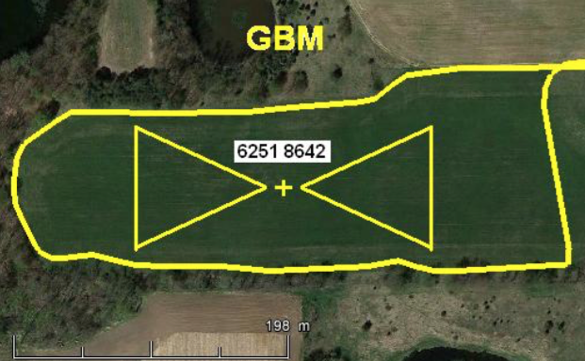
Task |  | GBM | Gordon Bennett Memorial (Rule 15.8) |  |  | Task order | in any order

 | a. | Position of goal/target |  |  | 6251/8642 - 1024ft
 | b. | Description of scoring area(s) |  |  | see sketch
10m
80m

 |  |  |  |  |  | MMA | see sketch
 |  |  |  |  |  | Marker color | white
Scoring period |  |  | ends at 0845 |  |  | Marker drop | free
Scoring area |  |  | entire contest area |  |  | Loggermarker | -

Task |  | CRT | Calculated Rate of Approach Task (Rule 15.9) |  |  | Task order | in any order

A
B
B
 | a. | Position of goal/target |  |  | 457 - 3948/5509 - 322ft
 | b. | Description of scoring area(s) and their validity times |  |  | Scoring by physical marker in area A: within scoring period from xx:00:00 to xx:14:59 and xx:30:00 to xx:44:59 Scoring by physical marker in area B: anytime within scoring period Scoring by physical marker on the target: anytime within scoring period Scoring by loggermarker inside entire contest area is possible anytime within scoring period.

 |  |  |  |  |  | MMA | see sketch
 |  |  |  |  |  | Marker color | white
Scoring period |  |  | ends at 0845 |  |  | Marker drop | free
Scoring area |  |  | entire contest area |  |  | Loggermarker | -

Task |  | CRT | Calculated Rate of Approach Task (Rule 15.9) |  |  | Task order | in any order

 | a. | Position of goal/target |  |  | 457 - 3948/5509 - 322ft
...
 | a. | Arrangements of timing |  |  | 20 minutes
 | b. | Minimum set time or distance |  |  | Time starts with mark of task 6
 | c. | Reference point |  |  | Mark of task 6 (marker hit the ground or loggermark)

 |  | 15.13.3 The result is the distance from the mark to the target of task 6. |  |  |  | MMA | R100m
 |  |  |  |  |  | Marker color | red / green
Scoring period |  |  | ends at 0900 |  |  | Marker drop | free
Scoring area |  |  | MMA |  |  | Loggermarker | -

Task |  | MDD | Minimum Distance Double Drop (Rule 15.15) |  |  | Task order | in any order

A
B
A
B
 | a. | Description of scoring area(s) |  |  | 455 - 3894/5136 - 308ft (TT8) Markers must be dropped in A-A or B-B.

 |  |  |  |  |  | MMA | R100m
 |  |  |  |  |  | Marker color | red / green
Scoring period |  |  | ends at 0900 |  |  | Marker drop | free
Scoring area |  |  | MMA |  |  | Loggermarker | -

Task |  | ANG | Angle (Rule 15.19) |  |  | Task order | in any order

 | a. | Description of point "A" and "B" |  |  | A: Loggermarker #3 B: Loggermarker #4
 | b. | Set direction |  |  | 160°
 | c. | Minimum and maximum distances from "A" to "B" |  |  | min. 500m - max. 1000m

 |  |  |  |  |  | MMA | -
 |  |  |  |  |  | Marker color | -
Scoring period |  |  | ends at 0845 |  |  | Marker drop | -
Scoring area |  |  | entire contest area |  |  | Loggermarker | 3, 4

Task |  | 3DT | 3D-Task (Rule 15.20) |  |  | Task order | in any order

R 2km
R 1km
 | a. | Description of set airspaces
 |  |  |  |  | inner circle: radius 1km outer circle: radius 2km Scoring area will be the airspace between the cylinders above 1500ft MSL
 |  |  |  |  | pilot declared centre: - coordinate to be declared in loggergoal#2 - min. 4km from declaration point to declared centre - if declared before TO, declaration point is TO point

 |  |  |  |  |  | MMA
 |  |  |  |  |  | Marker color
Scoring period |  |  | ends 45min after first entry point or latest at 09:00 |  |  | Marker drop
Scoring area |  |  | entire contest area |  |  | Loggermarker

Task |  | XDD | Maximum Distance Double Drop (Rule 15.18) |  |  | Task order | in any order

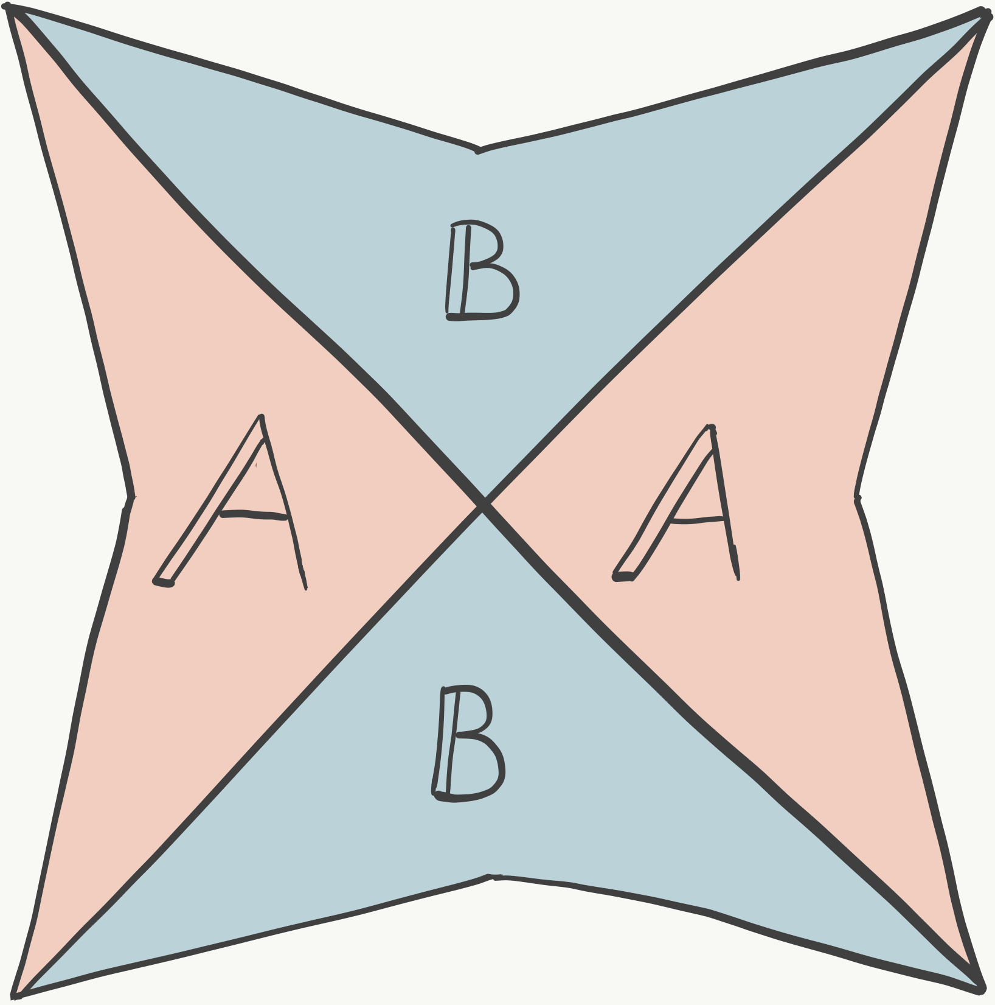
A
A
B
B
 | a. | Description of scoring area(s) |  |  | 455 - 3894/5136 - 308ft (TT8) Markers must be dropped in A-A or B-B.

 |  |  |  |  |  | MMA | R100m
 |  |  |  |  |  | Marker color | red / green
Scoring period |  |  | ends at 0900 |  |  | Marker drop | free
Scoring area |  |  | MMA |  |  | Loggermarker | -

Task |  | XDT | Maximum Distance Time (Rule 15.16) |  |  | Task order | in order

 | a. | Maximum set time |  |  | 30min
 | b. | Arrangements of timing |  |  | Time of previous mark, time of loggermarker #3
 | c. | Reference point |  |  | Position of previous mark

 |  |  |  |  |  | MMA | -
...

